RawMiXPERT LOGO


<a href="https://www.flaticon.com/free-icons/levels" title="levels icons">Levels icons created by Good Ware - Flaticon</a>

RawMiXPERT:
Control & Design

Login Page
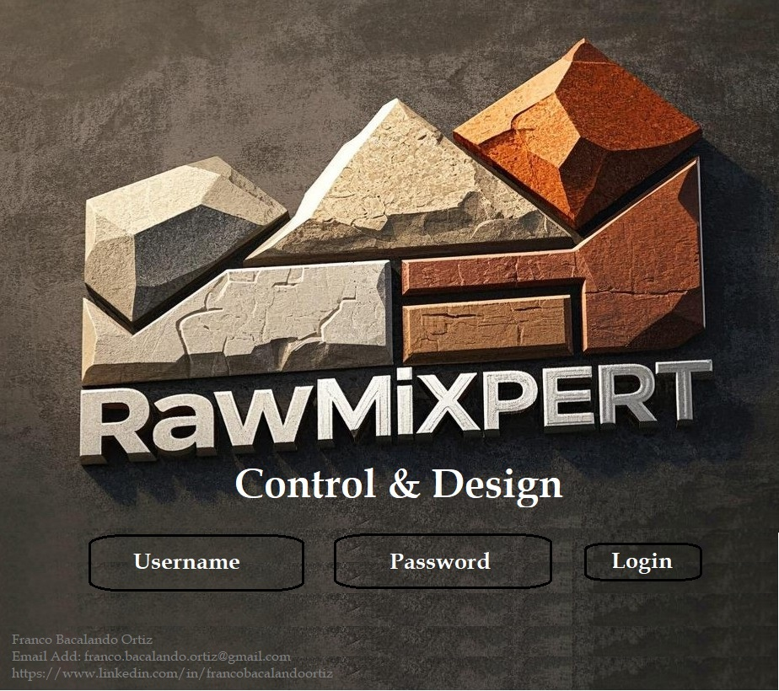



Franco Bacalando Ortiz

<a href="https://www.flaticon.com/free-icons/engineer" title="engineer icons">Engineer icons created by Eucalyp - Flaticon</a>



franco.bacalando.ortiz@gmail.com

<a href="https://www.flaticon.com/free-icons/gmail" title="gmail icons">Gmail icons created by Kalashnyk - Flaticon</a>



/francobacalandoortiz
<a href="https://www.flaticon.com/free-icons/linkedin" title="linkedin icons">Linkedin icons created by Ruslan Babkin - Flaticon</a>

Landing Page





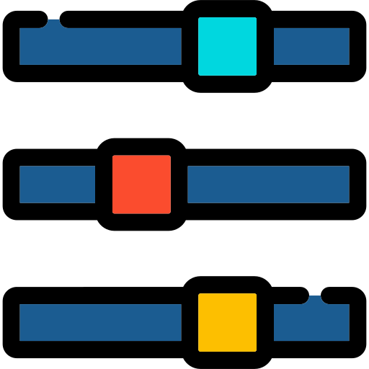

 |  |  |  |  |  |  | bali itong grapgh ay mga pictures lang

3 Materials (LSF & AM)-Control |  | Recipe (LSF & AM)-Design | 3 Materials (LSF & SM)-Control | Recipe (LSF & SM)-Design |  | Graph
 | <a href="https://www.flaticon.com/free-icons/panel" title="panel icons">Panel icons created by Arafat Uddin - Flaticon</a> | <a href="https://www.flaticon.com/free-icons/capability" title="capability icons">Capability icons created by Uniconlabs - Flaticon</a> | <a href="https://www.flaticon.com/free-icons/parameters" title="parameters icons">Parameters icons created by Iconic Panda - Flaticon</a> |  | <a href="https://www.flaticon.com/free-icons/customization" title="customization icons">Customization icons created by Dewi Sari - Flaticon</a> | <a href="https://www.flaticon.com/free-icons/line-graph" title="line graph icons">Line graph icons created by srip - Flaticon</a>



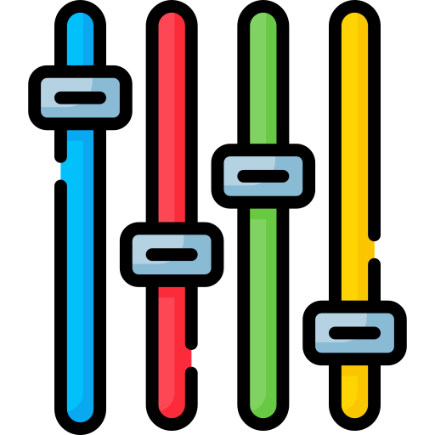



 |  |  |  |  |  |  | dito papasok ang lahat ng data pag nasave

4 Materials (LSF,SM & AM)-Control |  | Recipe (LSF,SM & AM)-Design | Fuel & Clinker Factor | Raw Mix Design |  | Previous Information Data List
 | <a href="https://www.flaticon.com/free-icons/filter" title="filter icons">Filter icons created by Freepik - Flaticon</a> | <a href="https://www.flaticon.com/free-icons/control-system" title="control system icons">Control system icons created by Uniconlabs - Flaticon</a> | <a href="https://www.flaticon.com/free-icons/fire-control" title="fire control icons">Fire control icons created by Freepik - Flaticon</a> |  | <a href="https://www.flaticon.com/free-icons/control-room" title="control room icons">Control room icons created by Freepik - Flaticon</a> | <a href="https://www.flaticon.com/free-icons/folder" title="folder icons">Folder icons created by Freepik - Flaticon</a>

